Laser engine BOM
# | Description | Vendor | Part Number / File for CNC machining | Qty | Unit Price | Vendor Contact | Image Reference
 | Motorized Focus Assembly
1 | ball bearing linear stage, stainless steel, ±6.5mm | dg-sl | LBX40-C (product page) | 1 | $61.14 | https://seln.taobao.com
2 | adapter for mounting SM1TC to LBX40-C | XTJ-tech | adapter_LBX40_SM1TC(thick)_v2.zip | 1 | $25.00 | katie@xtj-tech.com
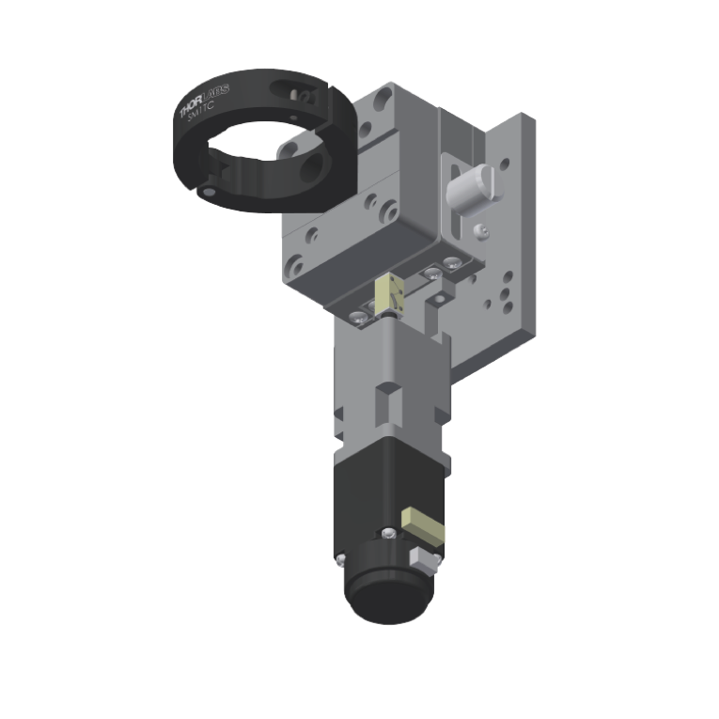
3 | adapter for mounting LBX40-C to C1511 | XTJ-tech | adapter_LBX40_C1511_v3.zip | 1 | $25.00
4 | adapter for mounting 21H4U to LBX40-C | XTJ-tech | adapter_LBX40_21H4U_v3.stp | 1 | $55.00
5 | size 8 captive linear actuator, 6e-5 in/step | Haydon kerk | 21H4U-2.5-A98 v1 (based on 21H4U-2.5-907) | 1 | $130.45
6 | optional piezo stack actuator, 11.2 um travel (no load) | Thorlabs | PK2FMP2 | 0 | $62.25
 | optional amplified piezo actuator, 220 um travel (no load) | Thorlasb | PK2FSF1 | 0 | $366.83
 | optional amplified piezo actuator, 420 um travel (no load) | Thorlasb | PK2FVF1 | 0 | $480.46
7 | Clamp for SM1 Lens Tubes | Thorlabs | SM1TC | 1 | $45.72
8 | SM1 Lens Tube, 0.3" threaded depth | Thorlabs | SM1L03 | 1 | $12.52
9 | SM1 adapter for Objectives with RMS thread (Olympus, BoliOptics) | Thorlabs | SM1A3 | 1 | $18.50
10 | SM1 adapter for Nikon Objectives | Thorlabs | SM1A12 | 0 | $21.86
11 | M3 x 15 mm (or 14 mm) socket head screws for mounting the top plate for LBX40-C (line 2) [11.5 mm + 3.5 mm/5mm] | McMaster-Carr | 91292A346 or 91292A027 | 4
12 | M3 x 5 mm socket head screws for mounting the LBX40-C assembly to the adapter plate for C1511 | McMaster-Carr | 91292A110 | 4
13 | 8-32 x 1/2" socket head screws for mounting the assembly to C1511 | McMaster-Carr | 92196A194 | 4
14 | 8-32 x 1/4" socket head screws for mounting SM1TC | McMaster-Carr | 92196A190 | 1
15 | M2.5 x 8 mm socket head screws for adapter mounting linear actuator assembly to LBX40-C | McMaster-Carr | 91292A012 | 2
16 | M2 x 6 mm socket head screws for mounting the linear actuator |  |  | 4
Total: $312.19
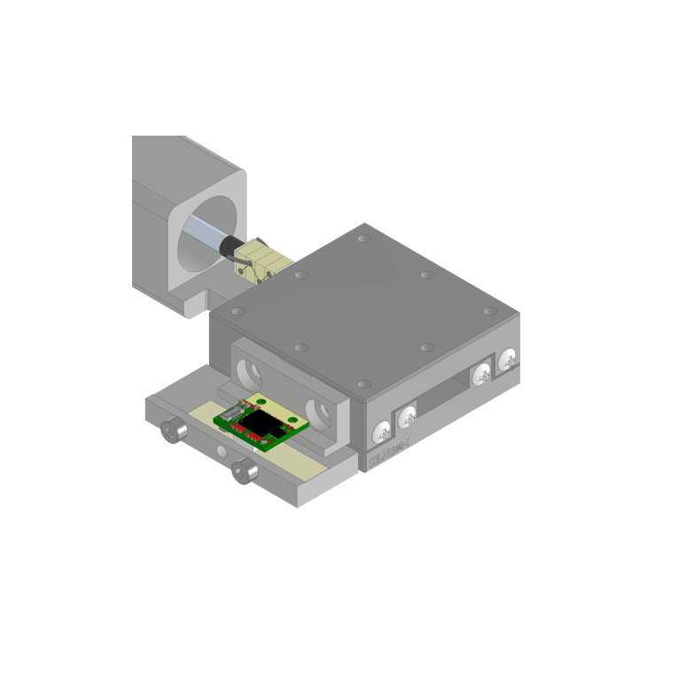
 | Motorized Focus Assembly Optical Encoder Addon (optional)
1 | Optira Incremental, 5V Input, 5nm Resolution | Celera Motion | PIA-0005-A1-05-A | 1 | RFQ (we're asked by the vendor to not disclose the price) | https://www.celeramotion.com/request-a-quote/
2 | Optira Tape Scale, 20um w/Center Index, 30mm Long | Celera Motion | 124-40030-B-I | 1 | RFQ (we're asked by the vendor to not disclose the price) | https://www.celeramotion.com/request-a-quote/
3 | adapter for mouting the optira PI encoder to LBX40-C | XTJ-tech | adapter_LBX40_Optira PI.zip | 1 | $15.00
4 | adapter for mouting the optira tape to LBX40-C | XTJ-tech | adapter_LBX40_Optira PI tape 30mm.stp | 1 | $15.00
5 | M1.6 x 2 mm socket head screw for mounting the encoder | McMaster-Carr | 92290A847 (or 92000A040) | 2
6 | M3 x 3 mm low profile socket head screw for mounting the encoder adapter to LBX40-C | McMaster-Carr | 90666A100 | 2
7 | M2.5 x 18 mm socket head screw for mounting the tape adapter to LBX40-C | McMaster-Carr | 91292A028 | 2
(Total: <$400)
 | Cage Cube Addon for Epifluorescence/Patterned Illumination/Active Drift Correction/3D Focus Tracking etc. (optional)
1 | mounting adapter for CM1-DCH | XTJ-tech | adapter_CM1-DCH_v2.zip | 1 | $30.00
2 | Cage Cube for Rectangular Optics | Thorlabs | CM1-DCH | 1 | $175.31
3 | Cage Cube Connector for additional CM1-DCH | Thorlabs | CM1-CC | 0 | $48.70
4 | additional cage cubes | Thorlabs | CM1-DCH | 0 | $175.31
5 | Externally SM1-Threaded End Cap | Thorlabs | SM1CP2 | 2 | $18.83
6 | 8-32 socket head screw for mounting the CM1-DCH adapter | McMaster-Carr | 92196A190 | 4
7 | 2 mm dia. x 5 mm length Dowel pin | McMaster-Carr | 91585A189 | 2
(Total: $205.31)

